Sheet3
# | Column | Value | Type
1 | product_id | 1e9e8ef04dbcff4541ed26657ea517e5 | PK varchar(50)
2 | product_category_name | perfumaria
3 | product_name_lenght | 40 | int
4 | product_description_lenght | 300
5 | product_photos_qty | 1
6 | product_weight_g | 225
7 | product_length_cm | 16
8 | product_height_cm | 10
9 | product_width_cm | 14
 | CREATE_DATE |  | Date | 2021-02-24
 | CREATED_BY |  | varchar(10)
 | CHANGED_DATE |  | Date | NULL
 | CHANGED_BY |  | varchar(10)

RAW Files
STAGE
Database

Diagram
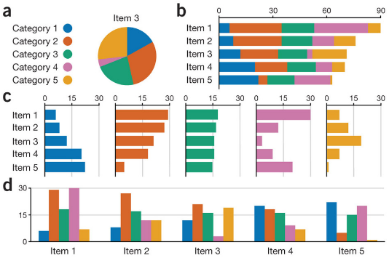
Brazilian-ecommerce Dataset
Data set:
https://www.kaggle.com/olistbr/brazilian-ecommerce
https://www.kaggle.com/olistbr/marketing-funnel-olist?select=olist_marketing_qualified_leads_dataset.csv

Description:

BrazilianE-Commerce EDW
Analysis
Data Mart

Brazilian E-Commerce
https://www.kaggle.com/olistbr/brazilian-ecommerce

Reports

Stage
Environment
BRZ E Commerce Data Warehouse

ETL
(Python)

Marketing Data Set
https://www.kaggle.com/olistbr/marketing-funnel-olist?select=olist_marketing_qualified_leads_dataset.csv

ETL
STAGE AREA
DATA BASE |  |  |  |  | Landing Database
stg_olist_products_dataset
product_id product_category_name product_name_lenght product_description_lenght product_photos_qty product_weight_g product_length_cm product_height_cm product_width_cm
products
product_id product_category_name product_name_lenght product_description_lenght product_photos_qty product_weight_g product_length_cm product_height_cm product_width_cm CREATE_DATE
CREATED_BY
CHANGED_DATE CHANGED_BY

 |  |  | ETL
RAW FILES
PULL DATA FROM DATABASE
TRANSFORM in PYTHON
Send BACK TO New Table

 |  |  | To Do
 |  |  | 1. Establish a Connection to the Database
 |  |  | 2. Pull data from the stage tables DF
 |  |  | 3. normalizing Dates
 |  |  | 4. fixing the field types
 |  |  | 5. Push back to database

Stg_Table A |  | ETL | Students
ID | 123 | Search for Record | ID | 123
Name | Amir | If eXist | NAME | Amir
City | New York | What has changed | City | San Diego
 |  | Yes/ No

